Symmetrical_TwoCell
بسم الله الرحمن الرحيم
Redundant |  |  | Moment at Station 1 |  |  | Moment at Station 2 |  |  | Force in z-direction located at d from c.g. |  |  |  |  |  | Force in x-direction located at c from c.g. |  |  | Force in y-direction
A1(in^2) | 0.5 |  | Mx 1 | 0 |  | Mx 2 | 0 |  | Pz | 0 |  | L | 10 |  | Px | 0 |  | Paxial | 0
A2(in^2) | 0.5 |  | Mz 1 | 0 |  | Mz 2 | 0 |  | d | 31.414888821 |  | t | 0.05 |  | c | 0 |  | ∆y | 14
 |  |  | Ty 1 | 100000 |  | Ty 2 | 0
 |  |  |  | Vertical Web Length |  | Horizontal Web Length
E | 10700000 | Fcy | 40000 | a | 10 | b1 | 10 | b2 | 10 | b3 | 10
w | 1.5537655872 | Eff | Yes
Set up a table to determine section Properties and determine stringer load P at each station
Station 1 (y = 0)
 |  | Origin located at 4 |  |  |  |  |  |  |  |  |  |  |  | For redundant stringers, set A_boom and A_eff =0
Stringer No. | Area(in^2) | x | z | A*x | A*z | X | Z | A*X^2 | A*Z^2 | A*X*Z | Stress | P | Paxial | A_boom | Comp/Ten | No. Sides | A_eff | a | b1 | b2 | b3
1 | 0.57768827936 | 60 | 0 | 34.661296762 | 0 | 38.914888821 | 1.5409048799 | 874.83297464 | 1.371656031 | 34.640582065 | 0 | 0 | 0 | 0.5 | C | 2 | 0.077688279361 | 0 | 0 | 0 | 0
2 | 0.83333333333 | 30 | -10 | 25 | -8.3333333333 | 8.9148888208 | -8.4590951201 | 66.229368907 | 59.630241875 | -62.843243767 | 0 | 0 | 0 | 0.5 | T | 0 | 0.33333333333 | 1 | 0 | 1 | 0
3 | 1 | 10 | -10 | 10 | -10 | -11.085111179 | -8.4590951201 | 122.87968985 | 71.55629025 | 93.770009881 | 0 | 0 | 0 | 0.5 | T | 0 | 0.5 | 0 | 1 | 1 | 0
4 | 0.83333333333 | 0 | 0 | 0 | 0 | -21.085111179 | 1.5409048799 | 370.48492786 | 1.9786565409 | -27.075125592 | 0 | 0 | 0 | 0.5 | T | 0 | 0.33333333333 | 1 | 1 | 0 | 0
5 | 0.57768827936 | 10 | 10 | 5.7768827936 | 5.7768827936 | -11.085111179 | 11.54090488 | 70.9861566 | 76.943737742 | -73.904940408 | 0 | 0 | 0 | 0.5 | C | 2 | 0.077688279361 | 0 | 0 | 0 | 0
6 | 0.57768827936 | 30 | 10 | 17.330648381 | 5.7768827936 | 8.9148888208 | 11.54090488 | 45.9119162 | 76.943737742 | 59.435969239 | 0 | 0 | 0 | 0.5 | C | 2 | 0.077688279361 | 0 | 0 | 0 | 0
7 | 0 | 0 | 0 | 0 | 0 | -21.085111179 | 1.5409048799 | 0 | 0 | 0 | 0 | 0 | 0 | 0 | C | Input | 0 | 0 | 0 | 0 | 0
8 | 0 | 0 | 0 | 0 | 0 | -21.085111179 | 1.5409048799 | 0 | 0 | 0 | 0 | 0 | 0 | 0 | C | Input | 0 | 0 | 0 | 0 | 0
 | ∑A |  |  | ∑Ax | ∑Az |  |  | Iz | Ix | Ixz |  | ∑P
 | 4.3997315047 |  |  | 92.768827936 | -6.7795677461 |  |  | 1551.3250341 | 288.42432018 | 24.023251418 |  | 0
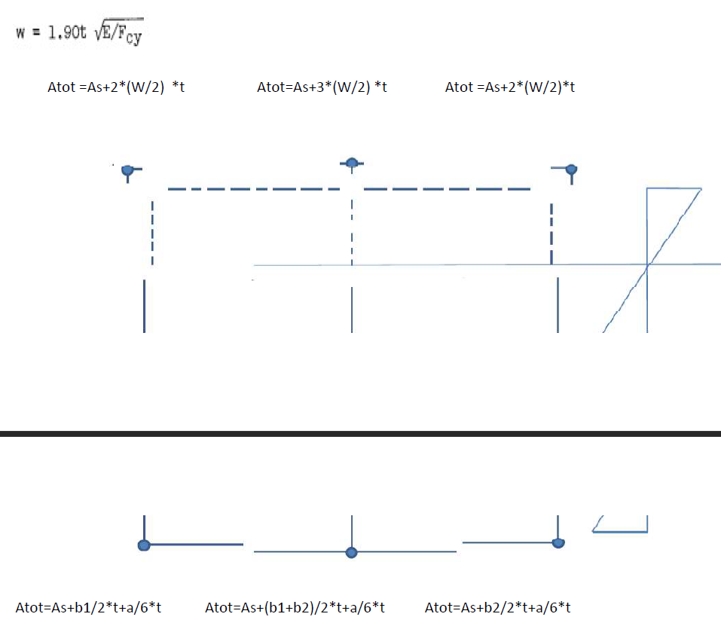
Location of c.g.: |  |  |  |  |  |  |  | Kxz | Kz | Kx
X_bar | 21.085111179 |  |  |  |  |  |  | 5.3759798339E-05 | 0.0034715917317 | 0.00064544274292
Z_bar | -1.5409048799 |  |  |  |  |  |  | B1 | B2
 |  |  |  |  |  |  |  | 0 | 0
Station 2 (y = 10)
 |  | Origin located at 4
Stringer No. | Area(in^2) | x | z | A*x | A*z | X | Z | A*X^2 | A*Z^2 | A*X*Z | Stress | P | Paxial | A_boom | Comp/Ten | No. Sides | A_eff | a | b1 | b2 | b3
1 | 0.57768827936 | 60 | 0 | 34.661296762 | 0 | 38.914888821 | 1.5409048799 | 874.83297464 | 1.371656031 | 34.640582065 | 0 | 0 | 0 | 0.5 | C | 2 | 0.077688279361 | 0 | 0 | 0 | 0
2 | 0.83333333333 | 30 | -10 | 25 | -8.3333333333 | 8.9148888208 | -8.4590951201 | 66.229368907 | 59.630241875 | -62.843243767 | 0 | 0 | 0 | 0.5 | T | 0 | 0.33333333333 | 1 | 0 | 1 | 0
3 | 1 | 10 | -10 | 10 | -10 | -11.085111179 | -8.4590951201 | 122.87968985 | 71.55629025 | 93.770009881 | 0 | 0 | 0 | 0.5 | T | 0 | 0.5 | 0 | 1 | 1 | 0
4 | 0.83333333333 | 0 | 0 | 0 | 0 | -21.085111179 | 1.5409048799 | 370.48492786 | 1.9786565409 | -27.075125592 | 0 | 0 | 0 | 0.5 | T | 0 | 0.33333333333 | 1 | 1 | 0 | 0
5 | 0.57768827936 | 10 | 10 | 5.7768827936 | 5.7768827936 | -11.085111179 | 11.54090488 | 70.9861566 | 76.943737742 | -73.904940408 | 0 | 0 | 0 | 0.5 | C | 2 | 0.077688279361 | 0 | 0 | 0 | 0
6 | 0.57768827936 | 30 | 10 | 17.330648381 | 5.7768827936 | 8.9148888208 | 11.54090488 | 45.9119162 | 76.943737742 | 59.435969239 | 0 | 0 | 0 | 0.5 | C | 2 | 0.077688279361 | 0 | 0 | 0 | 0
7 | 0 | 0 | 0 | 0 | 0 | -21.085111179 | 1.5409048799 | 0 | 0 | 0 | 0 | 0 | 0 | 0 | C | Input | 0 | 0 | 0 | 0 | 0
8 | 0 | 0 | 0 | 0 | 0 | -21.085111179 | 1.5409048799 | 0 | 0 | 0 | 0 | 0 | 0 | 0 | C | Input | 0 | 0 | 0 | 0 | 0
 | ∑A |  |  | ∑Ax | ∑Az |  |  | Iz | Ix | Ixz |  | ∑P
 | 4.3997315047 |  |  | 92.768827936 | -6.7795677461 |  |  | 1551.3250341 | 288.42432018 | 24.023251418 |  | 0

Location of c.g.: |  |  |  |  |  |  |  | Kxz | Kz | Kx
X_bar | 21.085111179 |  |  |  |  |  |  | 5.3759798339E-05 | 0.0034715917317 | 0.00064544274292
Z_bar | -1.5409048799 |  |  |  |  |  |  | B1 | B2
 |  |  |  |  |  |  |  | 0 | 0
Shear Calculations
 |  |  | P2-P1
Stringer No. | P(y = 0) | P(y = 10) | ∆P | ∆q
1 | 0 | 0 | 0 | 0
2 | 0 | 0 | 0 | 0
3 | 0 | 0 | 0 | 0
4 | 0 | 0 | 0 | 0
5 | 0 | 0 | 0 | 0
6 | 0 | 0 | 0 | 0
7 | 0 | 0 | 0 | 0
8 | 0 | 0 | 0 | 0

Skin 2-1 and 4-7 are temporarily cut, then shear flow in those web should be zero.
Assuming counter-clockwise for the shear flow with 4-7 in the dirction of cell 2
Moment at
x | z
0 | 0
Pz*d | Px*c | T_external | ∑Mc_open
0 | 0 | 100000 | 0

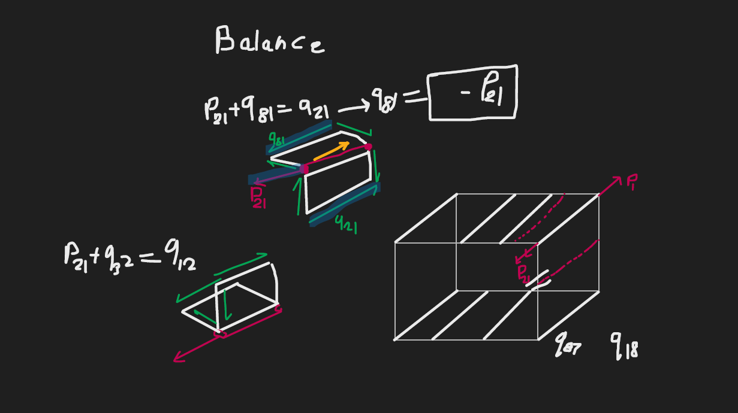
 |  |  |  |  | x position |  |  |  |  | z position
Web No. | Web Cut | Cell | qc(lbs/in) | Point 1 | Point 2 | Point 3 | dx | Vx | Point 1 | Point 2 | Point 3 | dz | Vz |  | A | 2A | Mc=qc*2A | L | t | L/t | qc*L/t | q_cor*L/t | q_tot | Fx | Fz
Initial-Final |  |  |  | Ref | Final | Initial |  |  | Ref | Final | Initial
2-1 |  |  | 0 | 0 | 38.914888821 | 8.9148888208 | 30 | 0 | 0 | 1.5409048799 | -8.4590951201 | 10 | 0 |  | 171.46087091 | 342.92174181 | 0 | 31.622776602 | 0.05 | 632.45553203 | 0 | -39528.470752 | -62.5 | -1875 | -625
3-2 |  |  | 0 | 0 | 8.9148888208 | -11.085111179 | 20 | 0 | 0 | -8.4590951201 | -8.4590951201 | 0 | 0 |  | 84.590951201 | 169.1819024 | 0 | 20 | 0.05 | 400 | 0 | -25000 | -62.5 | -1250 | 0
4-3 |  |  | 0 | 0 | -11.085111179 | -21.085111179 | 10 | 0 | 0 | -8.4590951201 | 1.5409048799 | -10 | 0 |  | 97.721031496 | 195.44206299 | 0 | 14.142135624 | 0.05 | 282.84271247 | 0 | -17677.66953 | -62.5 | -625 | 625
5-4 |  |  | 0 | 0 | -21.085111179 | -11.085111179 | -10 | 0 | 0 | 1.5409048799 | 11.54090488 | -10 | 0 |  | 113.1300803 | 226.26016059 | 0 | 14.142135624 | 0.05 | 282.84271247 | 0 | -17677.66953 | -62.5 | 625 | 625
6-5 |  |  | 0 | 0 | -11.085111179 | 8.9148888208 | -20 | 0 | 0 | 11.54090488 | 11.54090488 | 0 | 0 |  | 115.4090488 | 230.8180976 | 0 | 20 | 0.05 | 400 | 0 | -25000 | -62.5 | 1250 | 0
7-6 |  | None | 0 | 0 | 8.9148888208 | -21.085111179 | 30 | 0 | 0 | 11.54090488 | 1.5409048799 | 10 | 0 |  | 0 | 0 | 0 | 31.622776602 | 0.05 | 632.45553203 | 0 | -39528.470752 | 0 | 0 | 0
8-7 |  | None | 0 | 0 | -21.085111179 | -21.085111179 | 0 | 0 | 0 | 1.5409048799 | 1.5409048799 | 0 | 0 |  | 0 | 0 | 0 | 0 | 0.05 | 0 | 0 | 0 | 0 | 0 | 0
1-6 | Cut |  | 0 | 0 | 8.9148888208 | 38.914888821 | -30 | 0 | 0 | 11.54090488 | 1.5409048799 | 10 | 0 |  | 217.6880173 | 435.37603461 | 0 | 31.622776602 | 0.05 | 632.45553203 | 0 | -39528.470752 | -62.5 | 1875 | -625
4-7 |  | None | 0 | 0 | -21.085111179 | -21.085111179 | 0 | 0 | 0 | 1.5409048799 | 1.5409048799 | 0 | 0 |  | 0 | 0 | 0 | 0 | 0.05 | 0 | 0 | 0 | 0 | 0 | 0
 |  |  |  |  |  |  |  | 0 |  |  |  |  | 0 |  | ∑A | ∑2A | ∑Mc |  |  |  | ∑ | ∑ |  | ∑ Fx | ∑ Fz
 |  |  |  |  |  |  |  | Balance |  |  |  |  | Balance |  | 800 | 1600 | 0 |  |  |  | 0 | -164412.28056 |  | 0 | 0
 |  |  |  |  |  |  |  |  |  |  |  |  |  |  | Tourque Balance Equation Coefficients |  |  |  |  |  |  | -102.75767535 |  | Balance | Balance
 |  |  |  |  |  |  |  |  |  |  |  |  |  |  | coef q_cor | free term | q_cor
 |  |  |  |  |  |  |  |  |  |  |  |  |  |  | 1600 | -100000 | -62.5

